introduction

Excel Test

Name
Date

There are 4 quick quizzes in this spreadsheet. Work them in any order and make sure to save with any formulas or work visible. You may add additional columns, rows or sheet if necessary.
Pay attention to the details.

Test 1 is on the BLUE sheet and is a formatting exercise. This will set the tone of how the rest of the sheets should be formatted as well.
Test 2 consists of the GREEN sheets and all data needed is on the oracle_data and manager_data sheets.
Test 3 is on the ORANGE sheet and all data required for calculation is on that sheet.
Test 4 uses the PURPLE sheet and uses data from the the oracle_data sheet for Part 2.

In order to complete some data in Test 1, you will have to understand how "slots" are defined. A slot is the number of spaces a server takes up in a rack.
In order to determine the number of slots, you can multiply "Chassis Size" by "Server Quantity" to determine how many slots they are using.

Don't worry if you don't finish, the point is to see how far along you made it.

Bonus HINT: Formatting is key. Make sure all sheets are uniformed to the best of your ability. You never know when you might find a hidden gem somewhere.

Good Luck!

test-1
Formatting

Instructions
Format the data below to match the screenshot on the right.
Use formulas when necessary.

Additional instructions to help start off.
 | 1) Set the width of Column A to 5 pixels or 0.42 inches.
 | 2) Apply a Bottom Border in Row 1 from columns B to Z.
 | 3) Set Zoom magnification to 85%.
 | 4) Apply a Bold formatting to the title in cell B1.

Fill Color is RGB (0, 90, 158), and Font Color is White for headings.
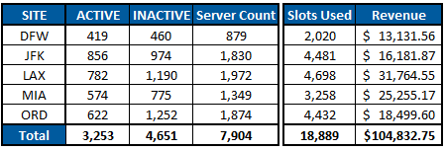
SITE | ACTIVE | INACTIVE | Server Count | Slots Used | Revenue
DFW | 419 | 460 |  | 2020 | 13131.555951
JFK | 856 | 974 |  | 4481 | 16181.871955
LAX | 782 | 1190 |  | 4698 | 31764.549872
MIA | 574 | 775 |  | 3258 | 25255.165813
ORD | 622 | 1252 |  | 4432 | 18499.604967

